SONOFF
SONOFF Price List 130825.V1 Prices effective starting September 1st.

Category | Model | SKU | Descreption | Item photo | End User | Dealers
DIY Switches | MINI-D | 6920075742923 | NO-NC WIFI Switch | 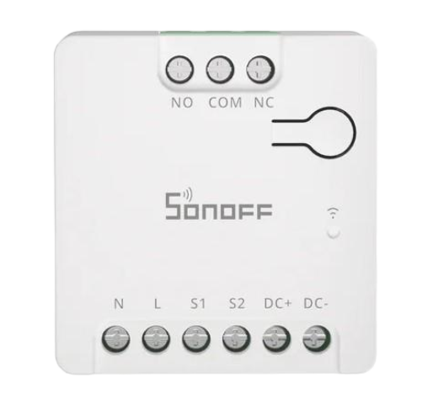 | JOD 13.00 | Apply Your Discount
 | MINIR2 | 6920075776195 | 10A Smart Switch Controller | 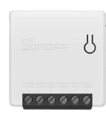 | JOD 8.50 | Apply Your Discount
 | MINIR4 | 6920075740202 | Ultra Small 10A Wi-Fi smart Switch | 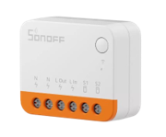 | JOD 12.00 | Apply Your Discount
 | MINIR4M | 6920075772029 | Matter 10A Wi-Fi smart Switch | 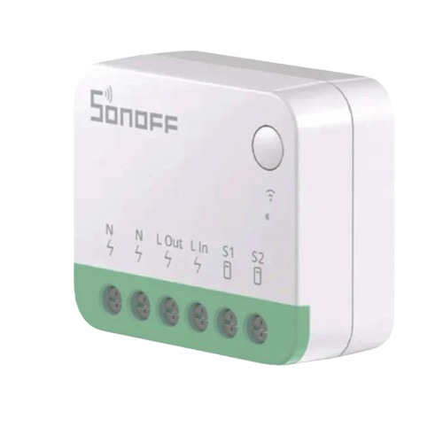 | JOD 13.00 | Apply Your Discount
 | DualR3 | 6920075775402 | 16A wifi Dual switch | 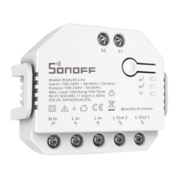 | JOD 15.00 | Apply Your Discount
 | DualR3 Lite | 6920075776966 | 13A Wi-Fi Smart Switch | 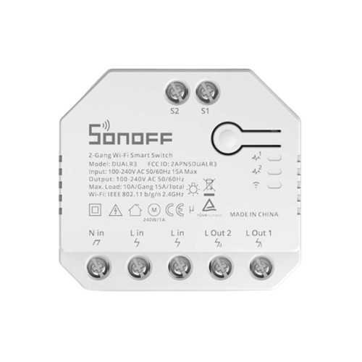 | JOD 13.00 | Apply Your Discount
 | MINI-RBS | 6920075743180 | Roller Shutter Switch | 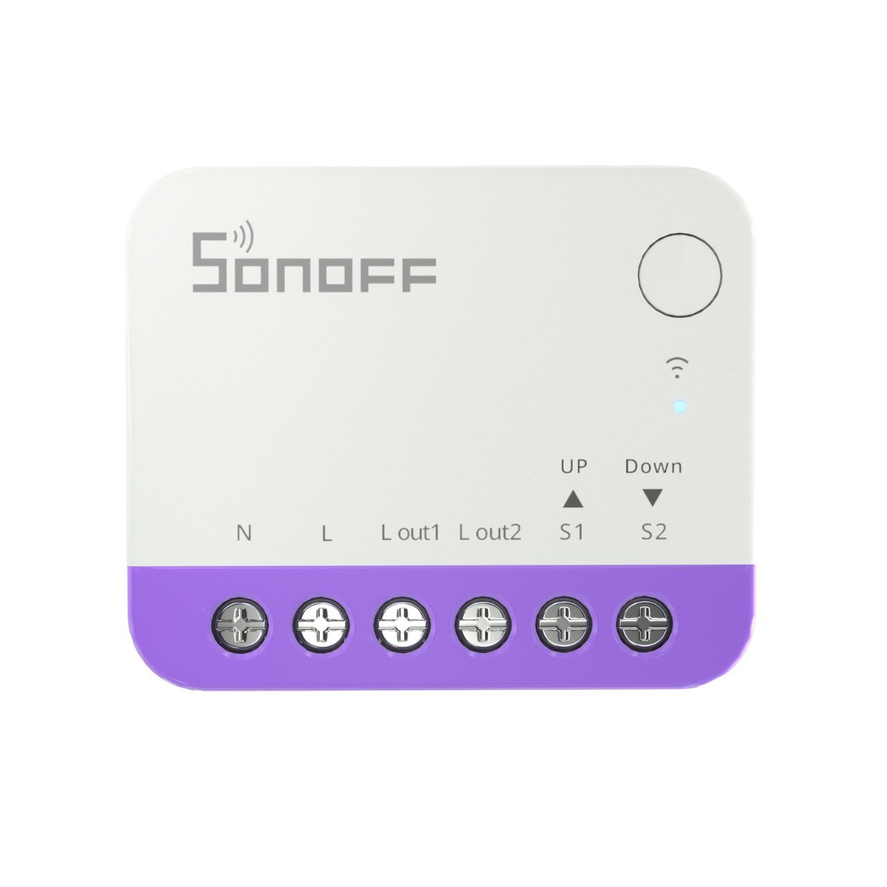 | JOD 19.50 | Apply Your Discount
 | BASICR2 | 6920075775693 | 10A Smart Control Switch |  | JOD 8.00 | Apply Your Discount
 | BASICR4 | 6920075741865 | 10A Wi-Fi Smart Switch | 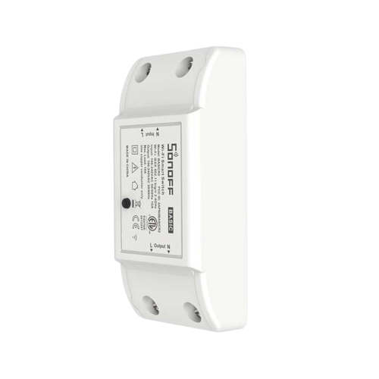 | JOD 8.00 | Apply Your Discount
 | RFR2 | M0802010002 | 10A Smart Switch | 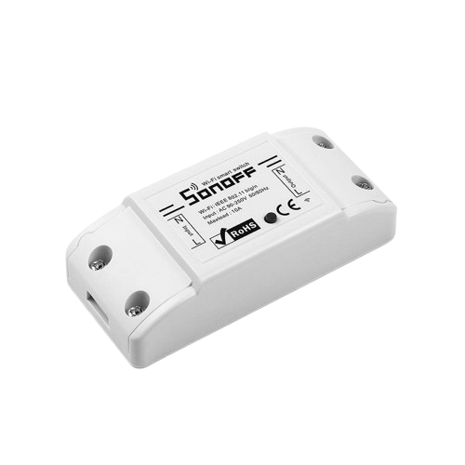 | JOD 12.00 | Apply Your Discount
Category | Model | SKU | Descreption | Item photo | End User | Dealers
Magic Wall Switches | M5-1C-120 | 6920075777369 | Black Smart Wall Switch 1Gang |  | JOD 17.00 | Apply Your Discount
 | M5-2C-120 | 6920075777376 | Black Smart Wall Switch 2Gang |  | JOD 18.00 | Apply Your Discount
 | M5-3C-120 | 6920075777383 | Black Smart Wall Switch 3Gang | 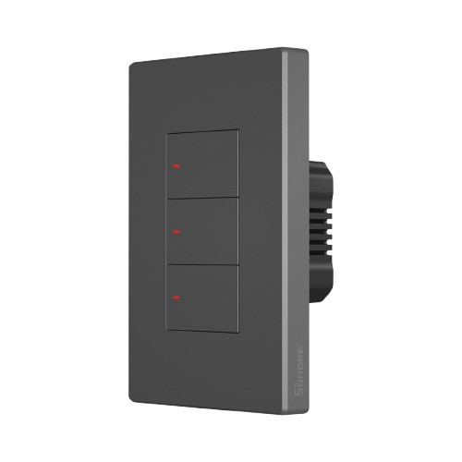 | JOD 19.00 | Apply Your Discount
 | M5-1C-120W | 6920075777857 | White Smart Wall Switch 1Gang |  | JOD 17.00 | Apply Your Discount
 | M5-2C-120W | 6920075777888 | White Smart Wall Switch 2Gang |  | JOD 18.00 | Apply Your Discount
 | M5-3C-120W | 6920075777925 | White Smart Wall Switch 3Gang |  | JOD 19.00 | Apply Your Discount
 | T5-1C-120 | 6920075740226 | 5A Smart Wall Switch 1Gang | 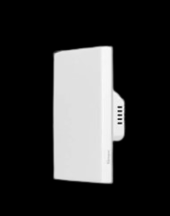 | JOD 26.50 | Apply Your Discount
 | T5-2C-120 | 6920075740240 | 10A Smart Wall Switch 2Gang | 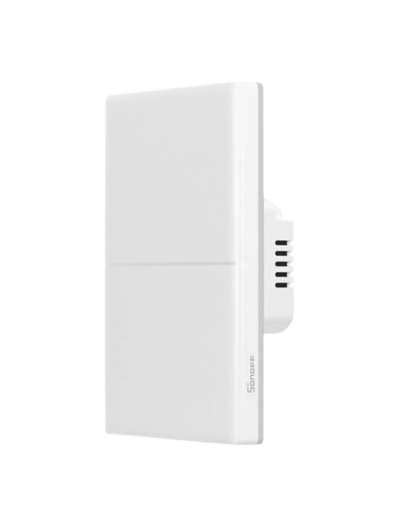 | JOD 27.50 | Apply Your Discount
 | T5-3C-120 | 6920075740264 | 15A Smart Wall Switch 3Gang |  | JOD 25.80 | Apply Your Discount
 | T5-4C-120 | 6920075740288 | 20A Smart Wall Switch 4Gang | 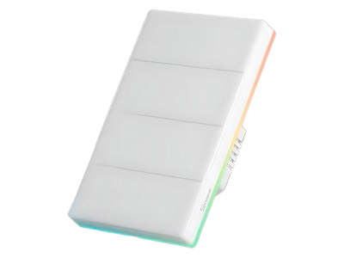 | JOD 30.50 | Apply Your Discount
Category | Model | SKU | Descreption | Item photo | End User | Dealers
7*7 Wall Switches | M5-1C-86 | 6920075777093 | Black smart wall switch from the SwitchMan series 1Gang | 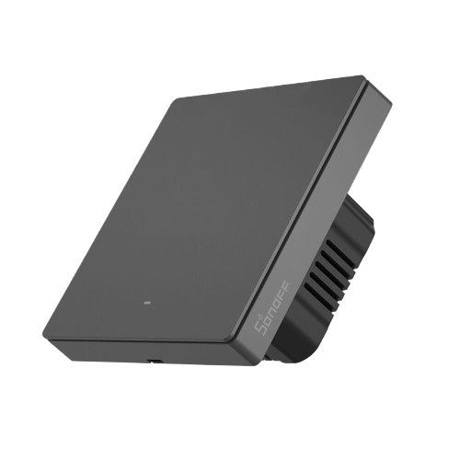 | JOD 17.00 | Apply Your Discount
 | M5-2C-86 | 6920075777840 | Black smart wall switch from the SwitchMan series 2Gang | 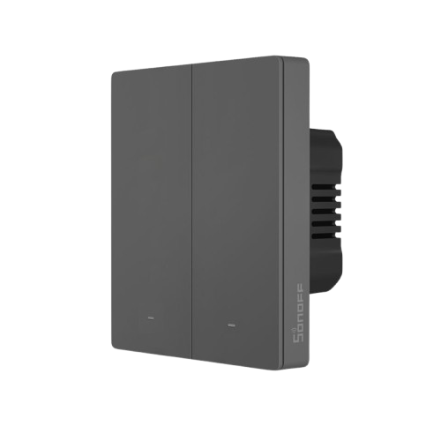 | JOD 18.00 | Apply Your Discount
 | M5-3C-86 | 6920075777116 | Black smart wall switch from the SwitchMan series 3Gang | 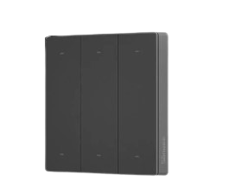 | JOD 19.00 | Apply Your Discount
 | M5-1C-86W | 6920075777840 | White smart wall switch from the SwitchMan series 1Gang | 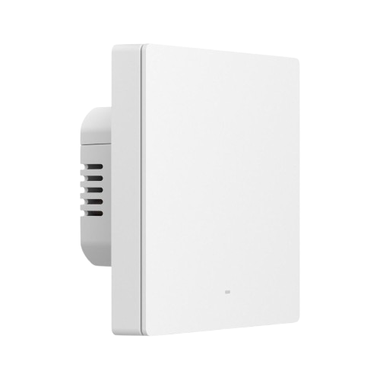 | JOD 17.00 | Apply Your Discount
 | M5-2C-86W | 6920075777871 | White smart wall switch from the SwitchMan series 2Gang | 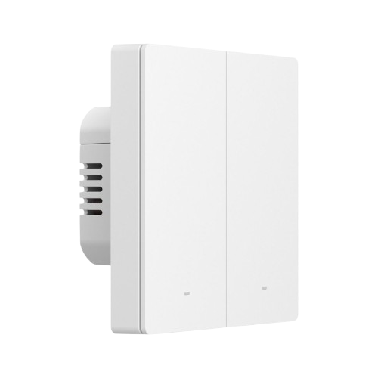 | JOD 18.00 | Apply Your Discount
 | M5-3C-86W | 6920075777901 | White smart wall switch from the SwitchMan series 3Gang | 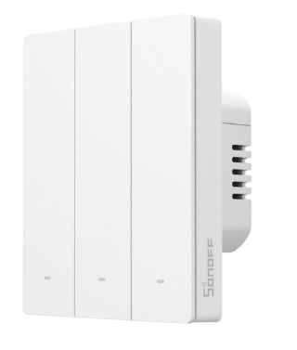 | JOD 19.00 | Apply Your Discount
 | T5-1C-86 | 6920075740219 | 5A Smart Touch Wall Switch 1Gang | 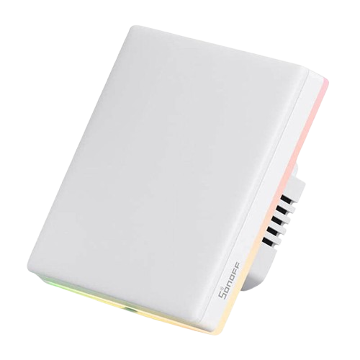 | JOD 26.50 | Apply Your Discount
 | T5-2C-86 | 6920075740233 | 10A Smart Touch Wall Switch 2Gang |  | JOD 27.50 | Apply Your Discount
 | T5-3C-86 | 6920075740257 | 15A Smart Touch Wall Switch 3Gang |  | JOD 28.50 | Apply Your Discount
 | T5-4C-86 | 6920075740271 | 20A Smart Touch Wall Switch 4Gang |  | JOD 30.50 | Apply Your Discount
Category | Model | SKU | Model Number | Item photo | End User | Dealers
NS Panel | NSPanel86PB | 6920075778045 | Black Smart Wall Touch Screen Switch 7*7 | 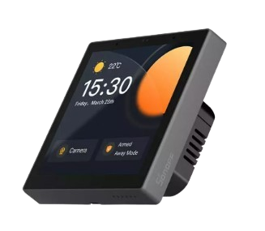 | JOD 112.00 | Apply Your Discount
 | NSpanel86PW | 6920075778038 | White Smart Wall Touch Screen Switch 7*7 | 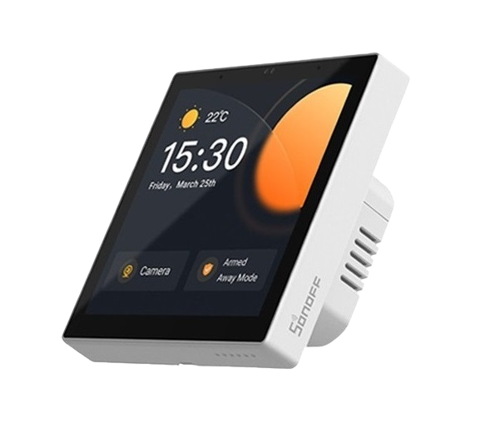 | JOD 112.00 | Apply Your Discount
 | NSPanel120PB | 6920075741957 | Black Smart Wall Touch Screen Switch | 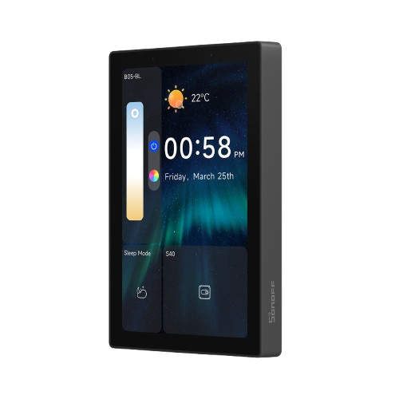 | JOD 112.00 | Apply Your Discount
 | NSPanel120PW | 6920075741940 | White Smart Wall Touch Screen Switch | 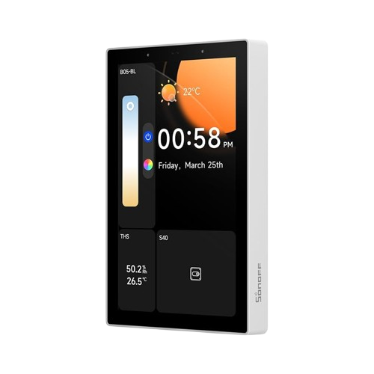 | JOD 112.00 | Apply Your Discount
Category | Model | SKU | Descreption | Item photo | End User | Dealers
Zigbee | ZBM5-1C-120W | 6920075742978 | Magic Zigbee 3.0 smart wall switch 1Gang |  | JOD 27.00 | Apply Your Discount
 | ZBM5-2C-120W | 6920075742985 | Magic Zigbee 3.0 smart wall switch 2Gang |  | JOD 29.00 | Apply Your Discount
 | ZBM5-3C-120W | 6920075742992 | Magic Zigbee 3.0 smart wall switch 3Gang |  | JOD 31.00 | Apply Your Discount
 | ZBM5-1C-86W | 6920075743067 | 7*7 SwitchMan Zigbee Smart Wall Switch 1Gang | 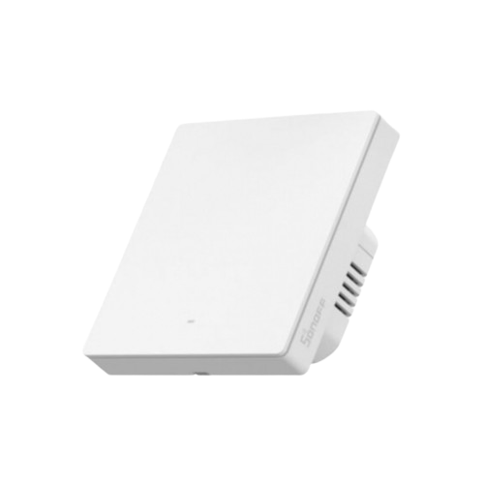 | JOD 28.50 | Apply Your Discount
 | ZBM5-2C-86W | 6920075743074 | 7*7 SwitchMan Zigbee Smart Wall Switch 2Gang | 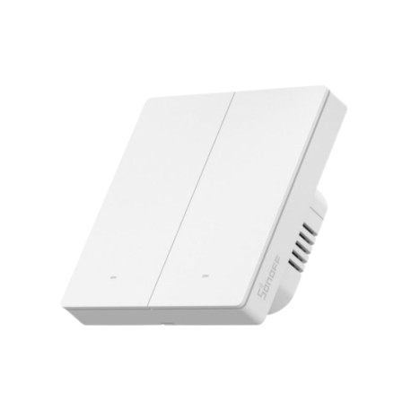 | JOD 32.00 | Apply Your Discount
 | ZBM5-3C-86W | 6920075743081 | 7*7 SwitchMan Zigbee Smart Wall Switch 3Gang | 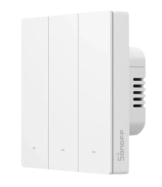 | JOD 35.50 | Apply Your Discount
 | ZBMINIL2 | 6920075778786 | 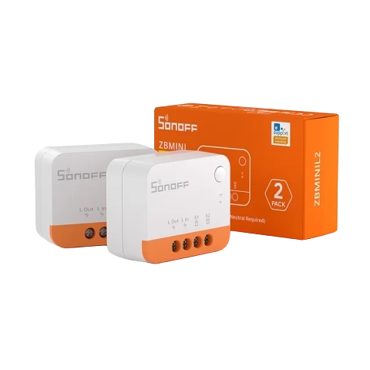 (2 Pack) Smart Switch |  | JOD 26.00 | Apply Your Discount
 | S60ZBTPF | 6920075743005 | 16A smart Zigbee plug | 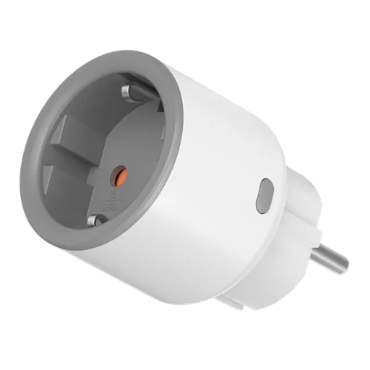 | JOD 17.00 | Apply Your Discount
 | S60ZBTPG | 6920075743012 | 16A smart Zigbee plug | 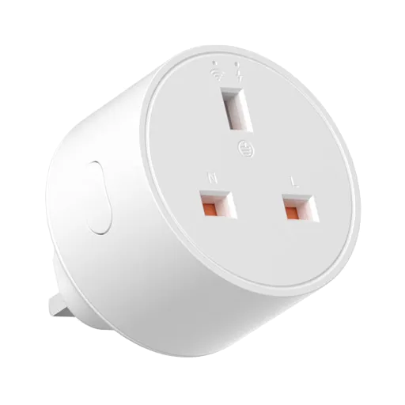 | JOD 17.00 | Apply Your Discount
 | S26R2ZBTPF-CFH | 6920075740080 | 16A Zigbee Smart Plug | 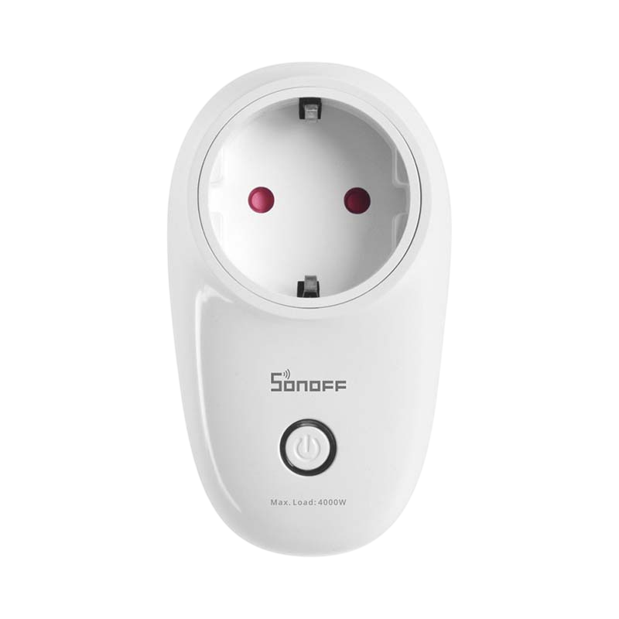 | JOD 12.00 | Apply Your Discount
 | AIBridge | 6920075778168 | iHost Bridge Wi-Fi and Zigbee 3.0 |  | JOD 85.00 | Apply Your Discount
 | SNZB-01P | 6920075740615 | Zigbee Wireless Button / Smart Scene Switch | 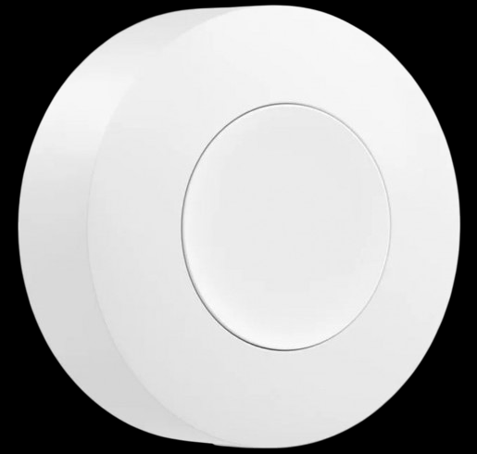 | JOD 10.00 | Apply Your Discount
 | SNZB-02D | 6920075740011 | LCD Temp. & Humidity Sensor | 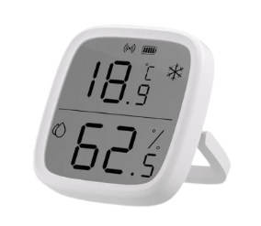 | JOD 13.00 | Apply Your Discount
 | SNZB-02P | 6920075740622 | Temp. And Humidity Sensor | 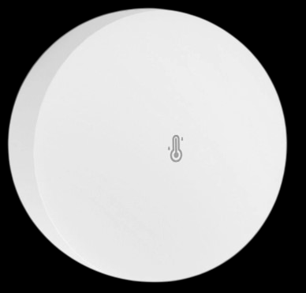 | JOD 12.00 | Apply Your Discount
 | SNZB-03P | 6920075740639 | Motion Sensor | 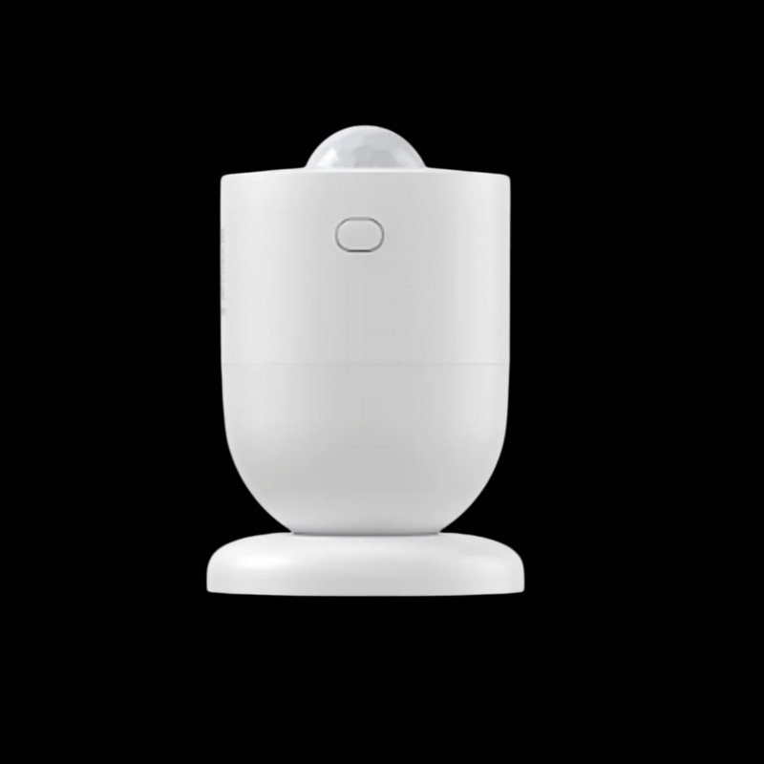 | JOD 12.00 | Apply Your Discount
 | SNZB-04P | 6920075740646 | Zigbee-based wireless door and window sensor | 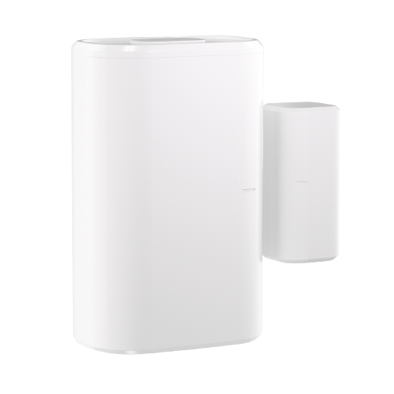 | JOD 12.00 | Apply Your Discount
 | SNZB-05P | 6920075779875 | Leak Detector With cable | 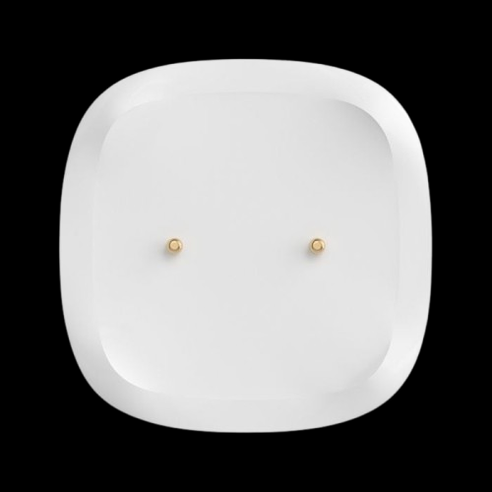 | JOD 15.00 | Apply Your Discount
 | SNZB-06P | 6920075741858 | Zigbee Human Presence | 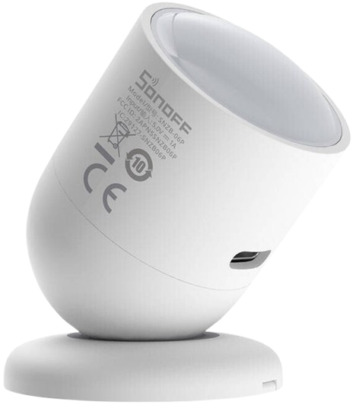 | JOD 15.00 | Apply Your Discount
 | ZBBridge -U | 6920075741896 | Ethrnet Bridge Connects Zigbee Devices To Wi-Fi Network | 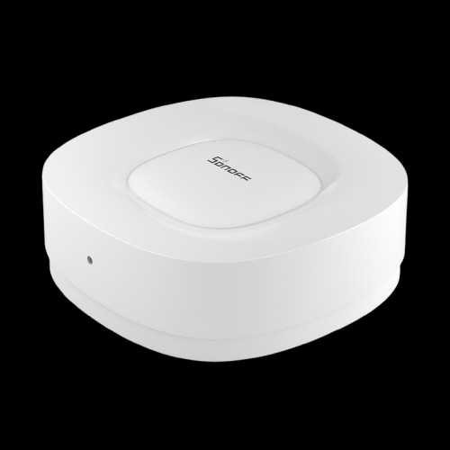 | JOD 49.00 | Apply Your Discount
 | ZB Bridge-P | 6920075777123 | WIFI Bridge Connect 128 Zigbee Devices | 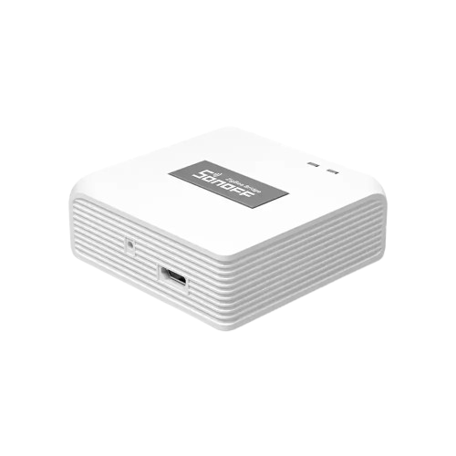 | JOD 23.00 | Apply Your Discount
 | SWV-BSP | 6920075742077 | Water Valve Smart Water Valve Controller |  | JOD 28.00 | Apply Your Discount
 | ZBMINIR2 | 6920075742916 | Zigbee 3.0 Switch 10A | 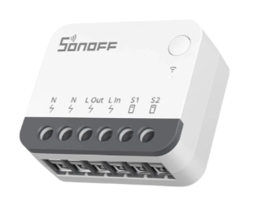 | JOD 10.00 | Apply Your Discount
 | TRVZB | 6920075740950 | Smart Zigbee Thermostatic Radiator Valve |  | JOD 27.00 | Apply Your Discount
Category | Model | SKU | Descreption | Item photo | End User | Dealers
Power Consumption | POWCT | 6920075741889 | 100A Ring Smart Power Meter |  | JOD 36.00 | Apply Your Discount
 | POWR3 | 6920075776768 | 25A Smart Switch high Ampere | 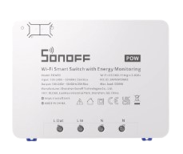 | JOD 39.00 | Apply Your Discount
 | POWR316 | 6920075778137 | 16A Smart Power Meter Switch | 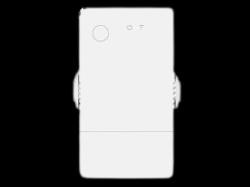 | JOD 14.00 | Apply Your Discount
 | POWR320 | 6920075777505 | 20A Elite Smart Power Meter Switch |  | JOD 19.50 | Apply Your Discount
Category | Model | SKU | Descreption | Item photo | End User | Dealers
Smart Plugs | S60TPF | 6920075740455 | 16A Smart WIFI Plug Euro |  | JOD 10.00 | Apply Your Discount
 | S60TPG | 6920075740462 | 13A Smart WIFI Plug UK |  | JOD 10.00 | Apply Your Discount
 | S26 | IM180320004 | 16A WIFI Smart Plug Indoor EU Style |  | JOD 8.50 | Apply Your Discount
Category | Model | SKU | Descreption | Item photo | End User | Dealers
Temp. Device | THR316 | 6920075777512 | 16A WIFI Smart Temp & Humidity Monitoring Switch |  | JOD 13.00 | Apply Your Discount
 | THR320D | 6920075777543 | 20A Smart Switch with Temp. & Humidity Sensor |  | JOD 19.50 | Apply Your Discount
 | THS01 | 6920075777802 | Indoor Sensor/ Temperature and Humidity Sensor |  | JOD 6.00 | Apply Your Discount
 | WTS01 | 6920075740486 | Outdoor Sensor/ Waterproof Temperature Sensor |  | JOD 6.00 | Apply Your Discount
 | MS01 | M0802050011 | Capacitive Soil Moisture Sensor |  | JOD 13.00 | Apply Your Discount
Category | Model | SKU | Descreption | Item photo | End User | Dealers
Security | PIR BASE | 6920075775372 | Smart Motion Sensor Base | 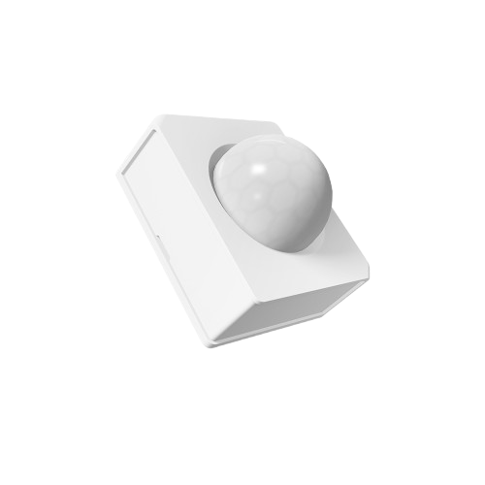 | JOD 10.00 | Apply Your Discount
 | DW2 WIFI | M0802070002 | Wi-Fi wireless door/window sensor | 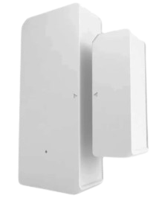 | JOD 7.00 | Apply Your Discount
 | DW2-RF | M0802070003 | Door Contact Work with SONOFF RF-Bridge |  | JOD 5.00 | Apply Your Discount
 | 4Key 433 | IM121218034 | Remote Control 4 Button | 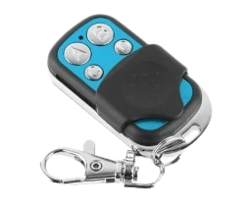 | JOD 4.00 | Apply Your Discount
 | RFBRIDGE R2 | 6920075776560 | Smart WIFI HUB | 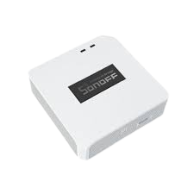 | JOD 15.00 | Apply Your Discount
 | RM433R2 | 6920075776591 | Remote Control 8 Buttons | 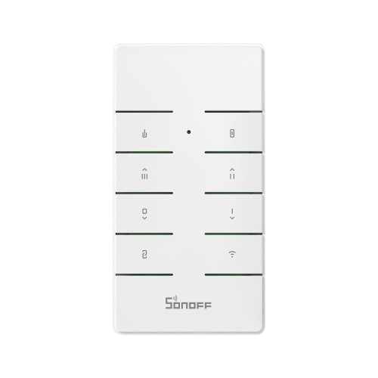 | JOD 7.00 | Apply Your Discount
Category | Model | SKU | Descreption | Item photo | End User | Dealers
Switches | 4CHPRO | M0802010004 | 40A Wi-Fi Smart Switch with RF Control | 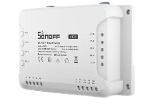 | JOD 35.00 | Apply Your Discount
 | SPM-4RELAY | 6920075776980 | 80A Smart Stackable Power Meter | 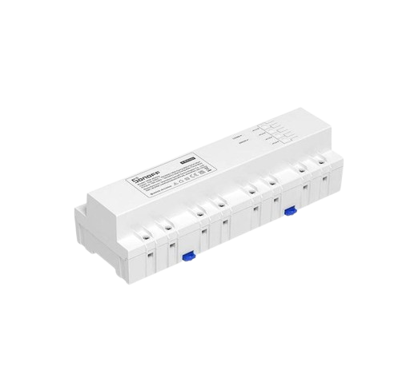 | JOD 58.00 | Apply Your Discount
 | SPM-MAIN | 6920075776973 | Smart Stackable Power Meter |  | JOD 33.00 | Apply Your Discount
Category | Model | SKU | Descreption | Item photo | End User | Dealers
Accessories | BMT01 | 6920075742954 | BBQ Meat Thermometer |  | JOD 20.00 | Apply Your Discount
 | MPS01 | 6920075742961 | BBQ Sensor Meat Thermometer Probe Sensor |  | JOD 8.00 | Apply Your Discount
 | RMBASE | 6920075776584 | Holder Bracket for RM433 Remote |  | JOD 1.80 | Apply Your Discount
 | Motion Sensor-BASE | 6920075775389 | Plastic Base For Motion Sensor |  | JOD 2.50 | Apply Your Discount
 | B05 | 6920075776676 | RGB Bulb light Wi-Fi Smart LED Bulb Multi Color |  | JOD 7.50 | Apply Your Discount
 | L3-5M | 6920075777345 | RGB Strip Light Smart LED Strip Light – 5 Meters |  | JOD 16.00 | Apply Your Discount
 | L3-5M-Pro | 6920075777338 | RGB Strip Light Smart RGB LED Light Strip (5 Meters) |  | JOD 26.00 | Apply Your Discount
 | R5 | 6920075777390 | WIFI Remote Control Wireless Wall Switch |  | JOD 10.00 | Apply Your Discount
 | R5W | 6920075777932 | White WIFI Remote Control White Wireless Wall Switch |  | JOD 10.00 | Apply Your Discount
 | Waterproof Box | IM171017001 | (IP66) Waterproof Casing |  | JOD 4.00 | Apply Your Discount
 | WaterproofR2 | 6920075778144 | Water Proof Box |  | JOD 6.00 | Apply Your Discount
 | T5 Sticker | 6920075740370 | Kids Stickers Fot T5 Switch Series |  | JOD 4.00 | Apply Your Discount
 | D1 | 6920075779929 | Dimmer Light Smart Dimmer Switch |  | JOD 17.50 | Apply Your Discount
 | RL560 | 6920075777796 | Cable extend For Sensors |  | JOD 3.00 | Apply Your Discount
 | NFC-Tag | 6920075778083 | Near Field Communication |  | JOD 3.00 | Apply Your Discount
Terms & Conditions: 1) Price Subject To Change Without Notification 2) Price Based On Cash 3) Delivery Upon Request

IMOU
IMOU Price List 130825.V1 Prices effective starting September 1st.

Category | Model | SKU | Descreption | Item Photo | PRICE | Dealers
INDOOR CAMERA | IPC-C22EP-A | 6939554970184 | Cue2/ 2MP | Human Detection | Built-in Siren | Abnormal Sound Alarm | Night Vision WITH |  | JOD 19.00 | Apply Your Discount
 | IPC-K2EP-3H3W | 6971927237920 | Ranger2/ 3MP PT Indoor WIFI Camera |  | JOD 24.00 | Apply Your Discount
 | IPC-K2EP-5H3W | 6976391038653 | Ranger2/ 5MP PT Indoor Camera |  | JOD 32.00 | Apply Your Discount
 | IPC-K2MP-5H1WE | 6971927236305 | MINI Ranger 5MP PT Camera |  | JOD 37.00 | Apply Your Discount
 | IPC-S2VP-5M0WR | 6976391037083 | REX 5MP VT Indoor Camera Support Screen 2-way Talk |  | JOD 50.00 | Apply Your Discount
Category | Model | SKU | Descreption | Item Photo | PRICE | Dealers
OUTDOOR CAMERA | IPC-K3DP-50WF | 6976391088509 | Bullet SE / 5MP outdoor camera |  | JOD 39.00 | Apply Your Discount
 | IPC-K7FP-5H0WE | 6976391034044 | Cruiser SC/ 5MP Outdoor PT camera |  | JOD 58.00 | Apply Your Discount
 | IPC-S7XEP-6M0WED | 6976391034471 | Cruiser Dual / 3MP+3MP Outdoor Dual Lens |  | JOD 69.00 | Apply Your Discount
 | IPC-S7XEP-10M0WED | 6976391034518 | Cruiser Dual / 5MP+5MP Outdoor Camera Dual Lens |  | JOD 79.00 | Apply Your Discount
 | IPC-S7UP-11M0WED | 6976391035157 | Cruiser Triple / 3MP+3MP+5MP Outdoor PT Camera |  | JOD 110.00 | Apply Your Discount
 | IPC-S7DP-5M0WEZ | 6976391038110 | Cruiser Zoom / 5MP WIFI PT Z Camera 5MP Zoom lens |  | JOD 74.00 | Apply Your Discount
Category | Model | SKU | Descreption | Item Photo | PRICE | Dealers
4G | IPC-B7ED-5M0TEA | 6976391032484 |  |  | JOD 134.00 | Apply Your Discount
Category | Model | SKU | Descreption | Item Photo | PRICE | Dealers
WIFI NVR | N110W | 6937479640090 | NVR 10CH 4K Support up to 16TB |  | JOD 58.00 | Apply Your Discount
 | N118W | 6937479640137 | NVR 18CH 4K Support up to 16TB |  | JOD 68.00 | Apply Your Discount
Category | Model | SKU | Descreption | Item Photo | PRICE | Dealers
SD CARD | ST2-64-S1 | 6939554929755 | Memory Card 64GB IMOU |  | JOD 10.00 | Apply Your Discount
 | ST2-128-S1 | 6939554930294 | Memory Card 128GB IMOU |  | JOD 20.00 | Apply Your Discount
Terms & Conditions: 1) Price Subject To Change Without Any Notification 2) Price Based On Cash 3) Delivery Upon Request

